Info
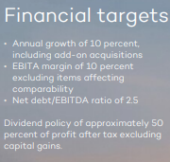
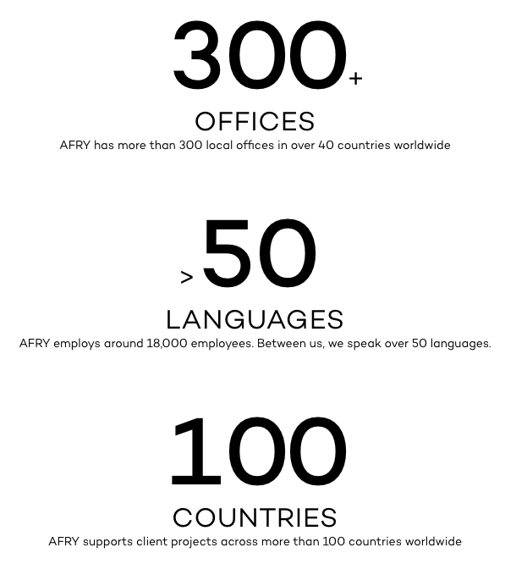
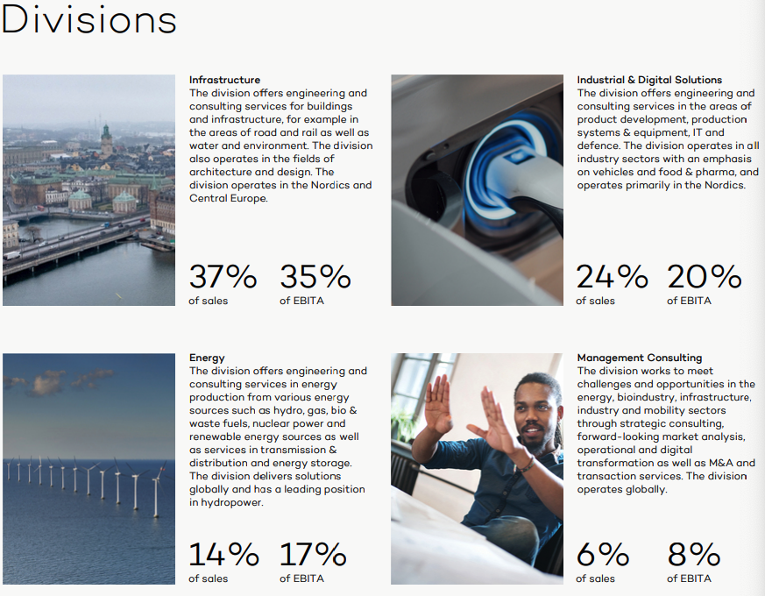
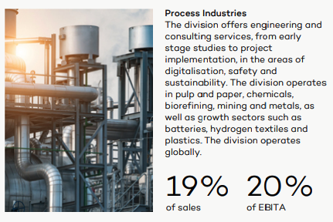

Press releases:
02.07.25: Afry gjør endringer i ledelsen, Robert Larsson, EVP and Head of Global division transportation slutter.
24.04.25: Afry lager en ny gruppe struktur og endrer ledelsen, nå er 3 fokussegmenter energi, Industri og Transport & places
12.01.25: Linda Pålsson blir ny CEO og tar over fra Jonas Gustavsson
09.09.24: CEO Jonas Gustavsson forlater Afry han var der i 8 år
28.09.23: Afry gå fra 6 til 5 divisjoner. X blir integrert i Industrial & digital solutions

